Dashboard
1161
Total orders placed
130
Total number of restaurants
138
Distinct count of customers
Highly Satisfied customers %
41.86%
RESTAURANT ORDERS DASHBOARD

Count of customer by occupation
 | Total
Student | 971
Employed | 123
N/A | 53
Unemployed | 14
Total customers by age group
 | Count of Consumer_ID | % of grand total
18-27 | 982 | 85%
28-37 | 66 | 6%
38-47 | 8 | 1%
58-67 | 10 | 1%
68-77 | 13 | 1%
78-87 | 82 | 7%
Consumers by marital status
 | Total
Single | 1054
Married | 67
N/A | 40
Consumers by social status
 | Total
Dependent | 1.64%
Independent | 82.86%
Kids | 7.06%
N/A | 8.44%
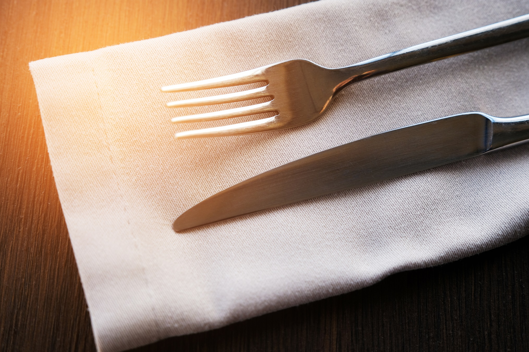

Consumers by budget level
 | Total
Medium | 734
Low | 316
N/A | 69
High | 42
Orders by state
 | Total
San Luis Potosi | 857
Morelos | 164
Tamaulipas | 140
Restaurants by state
 | Total
San Luis Potosi | 84
Ciudad Victoria | 23
Cuernavaca | 21
Jiutepec | 2
Customers by state
 | Total
San Luis Potosi | 86
Ciudad Victoria | 25
Cuernavaca | 22
Jiutepec | 5
Restaurant count by budget range
 | Total
Medium | 577
Low | 350
High | 234

Overall ratings
2 star | 42% | 42%
1 star | 36% | 36%
0 star | 22% | 22%
Food ratings
2 star | 44% | 44%
1 star | 33% | 33%
0 star | 23% | 23%

Preferred transportation mode
 | Total
Public | 57%
Car | 27%
On Foot | 12%
N/A | 5%
Customer smoking status
 | Total
N/A | 2%
No | 79%
Yes | 19%
Customers' drinking habit
 | Total
Abstemious | 37%
Casual Drinker | 34%
Social Drinker | 29%
Restaurant smoking allowed or not
 | Total
Bar Only | 2%
No | 73%
Yes | 25%
Restaurants' bar status
 | Total
Full Bar | 7%
None | 67%
Wine & Beer | 26%

Service ratings
1 star | 37% | 37%
2 star | 36% | 36%
0 star | 27% | 27%

